Sparepart Sentul
Kebutuhan Spare Part Sentul
No. | Nama Part | Merek | Satuan | Pengajuan | Gambar | Waktu Pemesanan
1 | Lampu Phillips PL-C 13 Watt | Phillips | pcs | 50 |  | 2024/2025/2026
2 | Lampu LED Bulb Phillips 18 / 19 Watt | Phillips |  |  |  | 2024/2025/2026
3 | Lampu Phillips TL 36 Watt | Phillips |  |  |  | 2024/2025/2026
d
4 | Lampu TL LED ecofit 16 Watt | Phillips |  |  |  | 2024/2025/2026
d
5 | Mata Cutter Besar | Kenko |  |  |  | 2024/2025
d
6 | Sealant Sika Hyflex Abu-abu | Sika |  |  |  | 2024
d
7 | Kabel LAN untuk outdoor Merk BELDEN Cat 6 Tipe 50106F | BELDEN |  |  |  | 2024
d
8 | Kabel NYY 3 x 1.5 MERK Supreme | Supreme |  |  |  | 2024
d
9 | Kabel NYM 3 x 1.5 Merk Supreme | Supreme |  |  |  | 2024
d
10 | Stop Kontak Tanam (Inbow) | Leona Schneder |  |  |  | 2024
d
11 | Relay Merk OMRON Tipe G4Q-212s 220V | OMRON |  |  |  | 2024
d
12 | Keran air 1/2 inch | Onda |  |  |  | 2024
d
13 | Neple T stainless 1/2 Inch |  |  |  |  | 2024
d
14 | Kabel Ties Hitam 300 mm |  |  |  |  | 2024/2026
d
15 | Kabel Ties Hitam 150 mm |  |  |  |  | 2024
d
16 | Double Tape rubber 3m |  |  |  |  | 2024
d
17 | Lem Aica Aibon |  |  |  |  | 2024
d
18 | Exhaust Fan Panasonic 10inch |  |  |  |  | 2024
d
19 | POE Adaptor merk TP Link tipe 2412G | TP Link |  |  |  | 2024
d
20 | Switch hub gigabit 5 port merk TP link | TP Link |  |  |  | 2024
d
21 | Kunci Pintu Kaca Onasis/Dorma | Onasis |  |  |  | 2024
d
22 | Air Aki ukuran 1 liter |  |  |  |  | 2024
d
23 | Springkle Taman Hunter Pro Spray | Hunter |  |  |  | 2024
d
24 | Alat potong keramik manual |  |  |  |  | 2024
d
25 | Mata Cutting Wheel ukuran 4inch merk Nippon Resibon | Nippon Resibon |  |  |  | 2024
d
26 | Mata Bor beton Set merk Nachi | Nachi |  |  |  | 2024
d
27 | Hole Saw (Mata Bor Keramik / Granit) merk Random | Random |  |  |  | 2024
d
28 | Kunci pas elektrik |  |  |  |  | 2024
d
29 | Mata Kunci pas elektrik |  |  |  |  | 2024
d
30 | Silinder Kunci pintu Besar merk Onasis | Onasis |  |  |  | 2024
d
31 | Fitting Lampu Gantung merk universal | Universal |  |  |  | 2024
d
32 | Granit Merk Indogress Topaz 60 x60 warna cream | Indogress |  |  |  | 2024
d
33 | Lasdop 1.5 - 2.5mm |  |  |  |  | 2024
d
34 | Pipa stainless Flexible u/ air panas-dingin merk Toto | TOTO |  |  |  | 2024
d
35 | Stop kran T untuk Closet merk Eco Toto | TOTO |  |  |  | 2024
d
36 | Baut & engsel Cover Closet Merk Toto | TOTO |  |  |  | 2024
d
37 | KRAN WASTAFEL TOTO PANAS DINGIN TX115LRR ( Hot & cold ) | TOTO |  |  |  | 2024
d
38 | Tespen AC merk Toho | Toha |  |  |  | 2024
d
39 | Rubber Sealant spray 500ml |  |  |  |  | 2024
d
40 | Kabel Duct TC 6 merk Niso | Niso |  |  |  | 2024
d
41 | Baut Gypsum ukuran 3cm |  |  |  |  | 2024
d
42 | Klem kabel jepit hitam |  |  |  |  | 2024
d
43 | Lampu Sorot LED Phillips 50 Watt | Phillips |  |  |  | 2024
44 | Tang Buaya Lurus 10" | Tekiro |  |  |  | 2025
45 | Sealtape merk Onda | Onda |  |  |  | 2025/2026
46 | Heat shrink tube ( Isolasi Bakar) ukuran 6mm | - |  |  |  | 2024/2025
47 | Sealant Sika Hyflex Abu-abu | Sika |  |  |  | 2025
48 | Jet Washer plastik merk Toto tipe THX NBW | Toto |  |  |  | 2024/2025/2026
49 | WD 40 412 ml | WD |  |  |  | 2024/2025
50 | Kunci Pintu Kaca Onasis/Dorma | Onasis |  |  |  | 2024/2025
51 | Kunci Ring pas merk Tekiro ukuran 10mm | Tekiro |  |  |  | 2024/2025
52 | Kunci Gerinda | - |  |  |  | 2024/2025
53 | TEKIRO Hand Taps And Dies Set 40 Pcs | Tekiro |  |  |  | 2024/2025
54 | Lakban Hitam besar 2inch merk Daimaru | Daimaru |  |  |  | 2024/2025
55 | Lampu PJU LED Phillips 100 watt | Phillips |  |  |  | 2024/2025
56 | Obeng Min 6x125mm Gagang Karet Merk Tekiro | Tekiro |  |  |  | 2024/2025
57 | Obeng Plus 6x125mm Gagang Karet Merk Tekiro | Tekiro |  |  |  | 2024/2025
58 | Kunci L set panjang | Tekiro |  |  |  | 2025
59 | Stop Kran single Merk Soligen | Soligen/Onda |  |  |  | 2024/2025/2026
60 | Kabel HDMi panjang 25 Meter merk vention | Vention |  |  |  | 2025
61 | Kunci Inggris 8 inch / 20 cm | Tekiro |  |  |  | 2024/2025
62 | Tangga Lipat Merk Krisbow 12 3 6M Orange Fiberglass KW0102179 | Krisbow |  |  |  | 2024/2025
63 | Kabel Duct Lantai ukuran16x65 merk Niso | - |  |  |  | 2024/2025
64 | Fisher Gypsum | - |  |  |  | 2024/2025/2026
65 | AFUR WASTAFEL TEKAN TOTO T6JV6 | Toto |  |  |  | 2024/2025
66 | Akustik/NDF ukuran 120x60 | Daiken |  |  |  | 2025/2026
67 | Selang Flexible u/ wastafel & Closet ukuran 30 Cm | Toto |  |  |  | 2025
68 | Selang Flexible u/ wastafel & Closet ukuran 50 Cm | Toto |  |  |  | 2024/2025
69 | Kap Lampu TL Ring 22 watt 22cm | Phillips |  |  |  | 2024/2025
70 | Tespen AC merk Toho | Toho |  |  |  | 2025
71 | aquaproof 1 Kg | Aquaproof |  |  |  | 2024/2025
72 | Kuwas 2" | Eterna |  |  |  | 2025
73 | Steker Listrik | Brocco |  |  |  | 2025
74 | Tembakan sealant sosis | INGCO |  |  |  | 2025
75 | SEALBAND AQUAPROOF LAKBAN WATERPROOFING ANTI BOCOR 5 10 CM 5CM 10CM - 5 cm x 10m | Aquaproof |  |  |  | 2025
76 | Isolasi Listrik Nitto | Nitto |  |  |  | 2025/2026
77 | Terminal Blok / Krunsteen 6mm | Legrand |  |  |  | 2025
78 | Phillips elektronik Ballast EB-C 118 TL-D 220-240 EP | Phillips |  |  |  | 2025
79 | Kabel Audio 3.5mm to 6.5mm panjang 5 meter merk Vention | Vention |  |  |  | 2025
80 | HDMI Splitter 4 Port + Power Supply Merk Vention | Vention |  |  |  | 2025
81 | Skrup Gypsum 2" | - |  |  |  | 2025
82 | Kabel NYYMHY 3 x 1.5 | Supreme |  |  |  | 2025/2026
83 | Vention USB-A Sound Card 2xTRS 3.5mm & TRRS 3.5mm OMTP CTIA CDRBB | Vention |  |  |  | 2025
84 | Vention S01-L Converter 6.5mm male to 3.5mm Female Audio Adapter VAB-S01-L | Vention |  |  |  | 2025
85 | Vention Kabel Audio AUX 6.5mm TRS Male To XLR Female Jack | Vention |  |  |  | 2025
86 | Audio Adapter Converter 6.35mm Female TRS to XLR Male | KREZT |  |  |  | 2025
87 | Stop kontak 6 lubang | Brocco |  |  |  | 2025
88 | 3M™ Scotch® Double Sided-Mounting Tape | 3M |  |  |  | 2025
89 | Tracker bearing kaki 3 ukuran 8 inch | Tekiro |  |  |  | 2025
90 | Tang set | Tekiro |  |  |  | 2025
91 | TOTO Sink Tap T30AR13V7N | Toto |  |  |  | 2025
92 | Plastik steel | Dextone |  |  |  | 2025
93 | Fitting lampu TL | - |  |  |  | 2025
94 | Baut Engsel Cover Kloset | TOTO |  |  |  | 2025
95 | Tang snap ring ukuran 7 inch | Tekiro |  |  |  | 2025
96 | Mata Bor Besi | Nachi |  |  |  | 2025
97 | Lakban Biru besar 2inch | Daimaru |  |  |  | 2025/2026
98 | Toto Afur Pop-Up Wastafel with Rod & Holder 1 1/4" THX3A-1N | TOTO |  |  |  | 2025
99 | Meteran panjang 50 Meter | ATS |  |  |  | 2025
100 | Kunci Ring Pas Rachet 21 pcs | APR |  |  |  | 2026
101 | Amplas 1000 | Taiyo |  |  |  | 2026
102 | Kunci Pipa 36 inch | Tekiro |  |  |  | 2026
103 | Leher angsa wastafel sifon TOTO TX709AV7 | TOTO |  |  |  | 2026
104 | Selang pembuangan wastafel | TOTO |  |  |  | 2026
105 | Lem PVC 400 gram | TOTO |  |  |  | 2026
106 | Shok PVC ukuran 1/2 inch | Rucika |  |  |  | 2026
107 | Shok PVC ukuran 2 inch | Rucika |  |  |  | 2026
108 | Shok PVC ukuran 3/4 inch | Rucika |  |  |  | 2026
109 | Meteran 5 M | Onda |  |  |  | 2026
110 | Meteran 7,5 M | Selflock |  |  |  | 2026
111 | Gunting Baja | Deli Tools |  |  |  | 2026
112 | Starter lampu S2-P4 22 watt | Philips |  |  |  | 2026
113 | Skrup Gypsum 3 cm | cml |  |  |  | 2026
114 | Skrup Gypsum 6 cm | cml |  |  |  | 2026
115 | Lampu tembak LED 100 watt | Philips |  |  |  | 2026
116 | Baterai A2 | Alkaline |  |  |  | 2026
117 | Baterai A3 | Alkaline |  |  |  | 2026
118 | Kap Lampu downlight PL-C | Philips |  |  |  | 2026
119 | Kran Tembok T23 B13 | TOTO |  |  |  | 2026
120 | Skrup lampu taman 2.5 mm | cml |  |  |  | 2026
121 | Mur lampu taman 2.5 mm | cml |  |  |  | 2026
122 | fiting TL kap RM utk TL T-8 | Kenko |  |  |  | 2026
123 | Kran Air TOTO TX 606 KES | TOTO |  |  |  | 2026
124 | Pelampung kloset TOTO TG271217 BALL | TOTO |  |  |  | 2026
125 | Shok drat luar 1/2" | Rucika |  |  |  | 2026
126 | Rantai stainless 1/8 " (2 Meter) plus Gembok 30 mm |  |  |  |  | 2026
127 | Cat Besi NIPPON Paint 1Kg warna Biru | Nippon |  |  |  | 2026
128 | Kabel ties Hitam 200 mm | Visalux |  |  |  | 2026
129 | Kuas 2 inch | Eterna |  |  |  | 2026
130 | WD 40 220 ml | WD |  |  |  | 2026
131 | Sekrup Gypsum 3"/8 Cm |  |  |  |  | 2026
132 | Sekrup Gipsum 2"/5 cm |  |  |  |  | 2026
133 | Mur Flange M8 | Tekiro |  |  |  | 2026
134 | Tang Set | Camel |  |  |  | 2026
135 | Kabel NYA 0.9 mm | Electro |  |  |  | 2026
136 | Elbow pvc 1/2 inch | Rucika |  |  |  | 2026
137 | Jasoz Kable USB 3.0 Extension 5Gbps High Speed Engineering Printer Kabel 20m Male to Female Cable | Jasoz |  |  |  | 2026
138 | Kran TOTO Sink Tap T30AR13V7N | TOTO |  |  |  | 2026
139 | Tappping Screw Kepala Bulat |  |  |  |  | 2026
140 | Mata Gergaji Besi | Sandflex 300 mm |  |  |  | 2024/2026

Sparepart Jatiasih
Kebutuhan Spare Part Jatiasih
No. | Nama Part | Merk | Satuan | Pengajuan | Gambar | Waktu Pemesanan
1 | Lampu Master PL-C 18W/865/2P | Philips |  |  |  | 2024/2025
2 | Lampu Bulb LED 12W - Putih | Philips |  |  |  | 2024/2025
3 | Lampu Bulb LED 18W - Putih | Philips |  |  |  | 2024/2025
4 | Kap baret panasonic NLP54702 e27 | panasonic |  |  |  | 2024/2025
5 | Lampu Emergency 7,5 watt | Phillips |  |  |  | 2024/2025
6 | Stop kontak Tanam | Clipsal Schneider E30 |  |  |  | 2024/2025
7 | Outbow Kotak 8.5 X 8.5 X 3.8 | Schneider |  |  |  | 2024/2025
8 | Steker Listrik | Broco |  |  |  | 2024/2025
9 | Stop Kontak 4 lubang | Broco |  |  |  | 2024/2025
10 | kabel duct | TC 5 |  |  |  | 2024/2025
11 | Floor Duct (50 x 15) |  |  |  |  | 2024/2025
12 | Kabel Listrik | Eterna NYM 3X1.5 |  |  |  | 2024/2025
13 | Isolasi Kabel Listrik lebar 2 cm | Nitto |  |  |  | 2024/2025
14 | Kabel Ties 300 mm | Visalux Hitam Putih |  |  |  | 2024/2025
15 | Kabel Ties 150 mm | Visalux Hitam Putih |  |  |  | 2024/2025
16 | Kran wastafel Y 321 C | Onda |  |  |  | 2024/2025
17 | Kran Pantry seri T30AR13V7N | Toto |  |  |  | 2024/2025
18 | Kepala Jet Washer S90030WZCR Chrome | Toto |  |  |  | 2024/2025
19 | Selang Fleksibel Jet Washer (P40012) | Toto |  |  |  | 2024/2025
20 | Dudukan selang Jet Washer |  |  |  |  | 2024/2025
21 | Kran Tembok T23 B13 | Toto |  |  |  | 2024/2025
22 | Stop Kran Jetshower TX403SV1 | Toto |  |  |  | 2024/2025
23 | Sifon Wastafel Stainless THX1A6N | Toto |  |  |  | 2024/2025
24 | Selang fleksibel 50 cm (untuk wastafel) | Toto / Washer |  |  |  | 2024/2025
25 | Seal Tape Pipa | onda |  |  |  | 2024/2025
26 | Anak Kunci | Soligen 60 mm |  |  |  | 2024/2025
27 | aquaproof abu-abu 1 Kg | aquaproof |  |  |  | 2024/2025
28 | Kuas Cat | 4" Eterna 3" 2" |  |  |  | 2024/2025
29 | Serat Fiber uk. 25 x 95 cm | No Drop |  |  |  | 2024/2025
30 | Kunci Ring Pas 8-24 mm | Tekiro |  |  |  | 2024/2025
31 | Kunci inggris | ATS 375mm 300mm |  |  |  | 2024/2025
32 | Lampu TL Neon Ring TLE 32w/54-765 | Philips |  |  |  | 2024
33 | Gunting Rumput Gagang Telescopic |  |  |  |  | 2024
34 | Klem Kabel 10 mm | Shukaku |  |  |  | 2024
35 | Lampu Senter LED Cas USB |  |  |  |  | 2024
36 | Kran wastafel TX109LD | TOTO |  |  |  | 2024
37 | Stop Kran ECO E 277-1 | TOTO |  |  |  | 2024
38 | FLOOR DRAIN FLS 05 | ONDA |  |  |  | 2024
39 | 19 Stop Kran PVC 1/2 | Rucika |  |  |  | 2024
40 | Stop Kran PVC 1" | Rucika |  |  |  | 2024
41 | Lampu LED 30 Watt Premier CLD | Hannochs |  |  |  | 2024
42 | Lampu LED 18 Watt Premier CLD | Hannochs |  |  |  | 2024
43 | Pelumas 412 ml | WD40 |  |  |  | 2024/2025

Sparepart Pramuka
Kebutuhan Spare Part Graha BNPB
No. | Nama Part | Merk | Satuan | Pengajuan | Gambar | Waktu Pemesanan
1 | Lampu Essential Super 80 TL5 14W/865 | Philips |  |  |  | 2024/2026
2 | Lampu Master PL-C 13W/865/2P | Philips |  |  |  | 2024/2025/2026
3 | Lampu Master PL-C 18W/865/2P | Philips |  |  |  | 2024/2025/2026
4 | Electronic Ballast EB-C 314 TL5 14-28W | Philips |  | 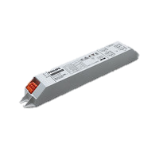 |  | 2024/2025/2026
5 | Stater Lampu TL S10-P 4-65W | Philips |  |  |  | 2024/2025/2026
6 | Cover Lampu 36 watt TMS012 | Philips |  |  |  | 2024/2025/2026
7 | Stop kontak Tanam | Clipsal Schneider E30 |  |  |  | 2024/2025/2026
8 | Saklar Double | Clipsal Schneider S-Classic E32 |  |  |  | 2024/2025/2026
9 | Outbow Kotak 8.5 X 8.5 X 3.8 | Schneider |  |  |  | 2024/2025/2026
10 | Steker Listrik | Broco |  |  |  | 2024/2025/2026
11 | Stop Kontak 4 lubang | Broco |  |  |  | 2024/2025/2026
12 | Kabel Duct | TC5 |  |  |  | 2024/2025/2026
13 | Floor Duct (50 x 15) |  |  |  |  | 2024
14 | Klem Pipa PVC Conduit 1/2" | Boss |  |  |  | 2024/2025/2026
15 | Tie Mount 25x25 | 3M |  |  |  | 2024/2025
16 | T Dus | cabang 3 & 4 Broco |  |  |  | 2024/2025/2026
17 | Kabel Listrik | Eterna NYM 3X1.5 |  |  |  | 2024/2025/2026
18 | Kabel Listrik | Eterna NYY 3X1.5 |  |  |  | 2024/2025
19 | Plafond Akustik 120x60 cm | Armstrong |  |  |  | 2024/2025
20 | Resibon Gerinda Potong & potong keramik | WD resibon / Bosch (potong keramik) |  |  |  | 2024/2025
21 | Seal Tape Pipa | onda |  |  |  | 2024/2025/2026
22 | Sealant Kaca Clear | Dexton |  |  |  | 2024/2025/2026
23 | Tembakan Sealant Kaca | Camel |  |  |  | 2024/2025/2026
24 | Kran wastafel TX109LD | Toto |  |  |  | 2024/2025/2026
25 | Catridge Ceramic FH17GJ (Untuk Kran TX109LD) | Toto |  |  |  | 2024/2025/2026
tut
26 | Selang fleksibel wastafel 50 cm | Toto / Washer |  |  |  | 2024/2025/2026
27 | Kepala Jet Washer S90030WZCR Chrome | Toto |  |  |  | 2024/2025/2026
28 | selang Fleksibel Jet Washer (P40012) | Toto |  |  |  | 2024/2025/2026
29 | Kran Tembok T23 B13 | Toto |  |  |  | 2024/2025/2026
30 | Stop Kran Wastafel TX277SV1 | Toto |  |  |  | 2024/2025/2026
31 | Stop Kran Jetshower TX403SV1 | Toto |  |  |  | 2024/2025/2026
32 | Tuas Closet TV150 | Toto |  |  |  | 2024/2025
33 | Double Tape VHB 24 mm x 4.5 mm | 3M |  |  |  | 2024/2025/2026
34 | Baut Tutup Closet | Toto |  |  |  | 2024/2025/2026
35 | aica aibon | Aibon |  |  |  | 2024/2025/2026
36 | Sealant Sika Hyflex 140 | Sika |  |  |  | 2024/2025/2026
37 | Belt Dressing | Preston |  |  |  | 2024
38 | Pelumas 412 ml | WD40 |  |  |  | 2024/2026
39 | Anak Kunci | Soligen 60 mm |  |  |  | 2024/2025/2026
40 | Meteran laser GM 30 | bosch |  |  |  | 2024/2025
41 | Power Supply 24V 10A | Oska |  |  |  | 2024/2025
42 | Power Supply 12V 10A | Oska |  |  |  | 2024/2025
43 | Down Light LED 18 Watt Netral White | Phillips |  |  |  | 2024
44 | kap baret panasonic NLP54702 e27 | panasonic |  |  |  | 2024/2025
45 | Lampu Emergency 7,5 watt | Phillips |  |  |  | 2024/2026
46 | Gerinda Tangan CAGLI 1002 20v (Baterai + Charger) | INGCO |  |  |  | 2024
47 | Kabel Ties 300 mm | Visalux |  |  |  | 2024/2025
48 | Kabel Ties 150 mm | Visalux |  |  |  | 2024/2025
49 | Pelet Ikan Koi (PK) 5mm | CP petindo |  |  |  | 2024
50 | Electroda WLC sensor | Fort |  |  |  | 2024
51 | V-Belt AHU - SPB 1875 LW | Bando |  |  | 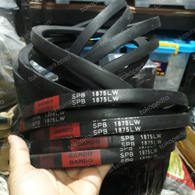 | 2024
52 | V-Belt AHU - SPB 1525 LW | Bando / uni-power plus |  |  |  | 2024
53 | V-Belt AHU - SPB 2020 LW | Bando |  |  | 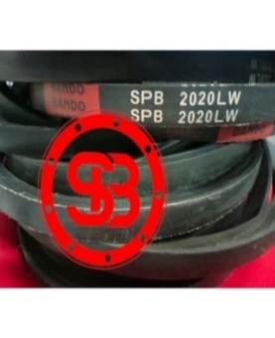 | 2024
54 | Serat Fiber uk. 20 x 200 cm |  |  |  |  | 2024/2025
55 | aquaproof abu-abu 1 Kg | aquaproof |  |  |  | 2024/2025
56 | Kuas Cat | Eterna |  |  |  | 2024/2025
57 | Alat potong keramik granit manual (Minimal potong keramik Uk. 60 cm) | Muller |  |  |  | 2024
58 | Alat potong keramik granit manual (Minimal potong keramik Uk. 60 cm) |  |  |  |  | 2024
59 | Electroda WLC sensor | Fort |  |  |  | 2024/2025
60 | Grendel Slot kunci 3" BBP 202 | Paloma |  |  |  | 2024/2025
61 | Penambal bocor (cement additive) | Damdex |  |  |  | 2024/2025
62 | Exhaust Fan | Panasonic FV-20TGU5 |  |  |  | 2024/2025/2026
63 | One Push PopUp Waste tanpa Overflow | TOTO T6JV2N |  |  |  | 2024
64 | Tespen | Likon |  |  |  | 2024
65 | Kabel Listrik | Eterna NYMHY 3x1.5 |  |  |  | 2024/2025
66 | Kabel Listrik Kawat (Kabel Warna Kuning) | Eterna NYA 1X1.5 |  |  |  | 2024/2025
67 | Down Light LED 14 Watt Netral White | Phillips |  |  |  | 2024
68 | HDMI Extender 4K 100 meter | HDMI |  |  |  | 2024/2025
69 | USB Soundcard | Vention |  |  |  | 2024/2025
70 | Lampu LED Bulb 6.5W E27 220-240V | Philips |  |  | 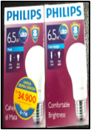 | 2025/2026
71 | Downlight LED Panel Inbow 6W Putih 6500K | Inlite |  |  | 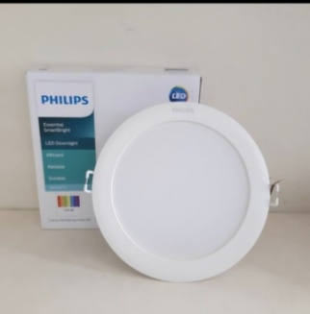 | 2025
72 | Kabel Listrik | Eterna NYM 3X2.5 |  |  | 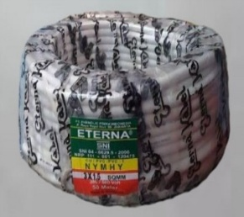 | 2025/2026
73 | 8 Port HDMI Splitter | PX |  |  |  | 2025
74 | Isolasi Kabel Listrik lebar 2 cm | Nitto |  |  | 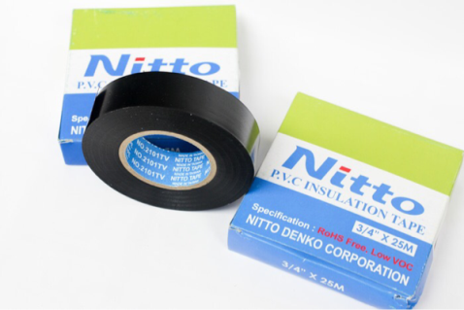 | 2025/2026
75 | Mata Bor Beton Masonry Drill 5mm, 6mm | Bosch |  |  |  | 2025/2026
76 | Kawat Galvanis BWG ( 1mm ) kawat ikat |  |  |  | 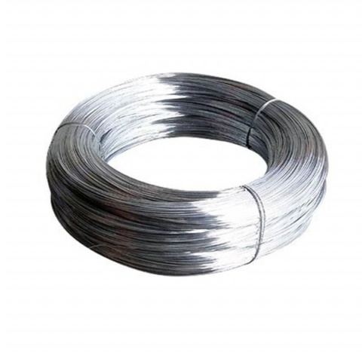 | 2025/2026
77 | Sealant Gun Sika Hyflex 140 |  |  |  |  | 2025/2026
78 | Fisher Gypsum |  |  |  | 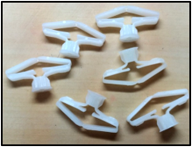 | 2025/2026
79 | Sekrup Gypsum Hitam 1" / 2.5 cm | Profit |  |  |  | 2025
80 | Sekrup Gypsum Hitam 1,25"/3 cm | Profit |  |  |  | 2025
81 | Kran wastafel TX109LRS | Toto |  |  |  | 2025
82 | Kran Pantry seri T30AR13V7N | Toto |  |  |  | 2025/2026
83 | Tutup Closet TC 505 | Toto |  |  |  | 2025/2026
84 | Elbow 90° 2" | rucika |  |  |  | 2025
85 | Sok drat 2" | rucika |  |  |  | 2025
86 | Sok 1/2" | rucika |  |  |  | 2025
87 | Sok 1" | rucika |  |  |  | 2025
88 | Sok 2" | rucika |  |  |  | 2025
89 | Sok 2,5" | rucika |  |  |  | 2025/2026
90 | Sok 4" | rucika |  |  |  | 2025/2026
91 | watermur 2" | rucika |  |  |  | 2025
92 | watermur 2,5" | rucika |  |  |  | 2025/2026
93 | Sock Pipa PVC Conduit | 1/2" to 1/2" |  |  |  | 2025/2026
94 | Mata Gergaji Besi | Sandflex 300 mm |  |  |  | 2025/2026
95 | Power Supply Adaptor LED Strip Slim 12 V 10A | BrightLite |  |  | 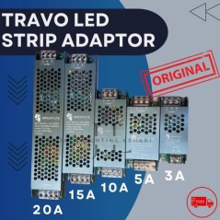 | 2025
96 | Power Supply Adaptor LED Strip Slim 12 V 5A | BrightLite |  |  |  | 2025
97 | Lampu Pilot 220 V AC ( Merah, Kuning, Hijau ) | Merah Kuning Hijau |  |  | 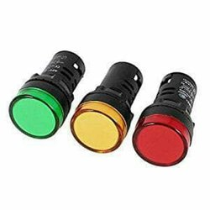 | 2025/2026
98 | Kabel HDMI 2 meter | Kramer |  |  |  | 2025
99 | Kabel HDMI 5 meter | Kramer |  |  |  | 2025
100 | Lampu Downlight Spotlight 5 watt | In-Lite Warna Kuning |  |  | 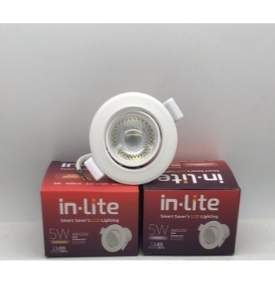 | 2025
101 | Starter Lampu S2-P 4-22 Watt | Phillips |  |  |  | 2025
102 | Lem Serbaguna | Glee |  |  |  | 2025
103 | Flexible Conduit Cable | 20 mm |  |  | 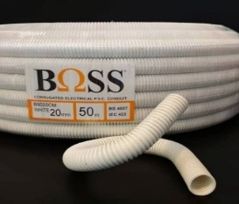 | 2025
104 | Lasdop Listrik | 4 mm |  |  | 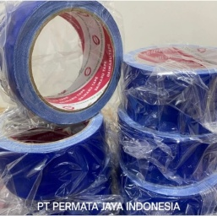 | 2025
105 | Soundcard USB | Orico |  |  |  | 2025
106 | Electronic Ballast Downlight Inlite 9 Watt INDP | Inlite |  |  | 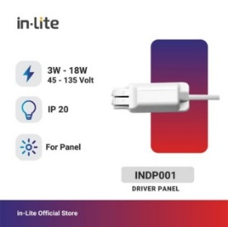 | 2025
107 | Lakban Biru besar 2inch merk Daimaru | Daimaru |  |  |  | 2025
108 | Extender LAN to HDMI | cat6 |  |  |  | 2025
109 | Rotary Switch M-O-A | SFT20-3-1 |  |  | 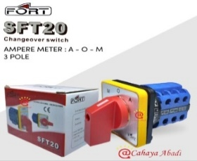 | 2025
110 | Lampu LifemaxTL-D 36W/54-765 | Philips |  |  |  | 2025/2026
111 | Lampu LifemaxTL-D 30W/54-765 | Philips |  |  |  | 2025/2026
112 | Lampu Bright Boost Super 80 TL-D 18W/865 | Philips |  |  |  | 2025/2026
113 | Lampu Master PL-C 26W/865/2P | Philips |  |  | 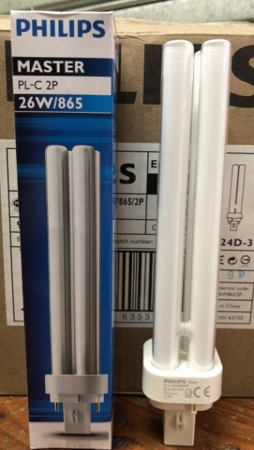 | 2025/2026
114 | Lampu Energy Saving TLD 10 W/54 | Philips |  |  |  | 2025/2026
115 | Down Light LED 16 Watt Neutral White | Phillips |  |  |  | 2025
116 | Down Light LED 16 Watt Cool White | Phillips |  |  |  | 2025
117 | Saklar Single | Clipsal Schneider S-Classic E31 |  |  |  | 2025/2026
118 | Plafond Akustik 60x60 cm | Armstrong |  |  |  | 2025/2026
119 | Resibon Gerinda Poles 4 inch | Nippon Resibon |  |  |  | 2025/2026
120 | Sekrup Gypsum Hitam 1,5" | Profit |  |  |  | 2025
121 | Sekrup Gypsum Hitam 2" | Profit |  |  |  | 2025
122 | Sekrup Gypsum Hitam 3" | Profit |  |  |  | 2025
123 | Isolasi Ducting AC |  |  |  |  | 2025/2026
124 | Piston Valve Flush Closet | Toto |  |  |  | 2025/2026
125 | Spindle Kran Shower | Toto |  |  |  | 2025/2026
126 | Dudukan selang Jet Washer |  |  |  |  | 2025
127 | Urinal Flush Valve T60P | Toto |  |  |  | 2025
128 | Sifon Wastafel Stainless THX1A6N | Toto |  |  |  | 2025/2026
129 | Tutup Closet TCW 08 S | Toto |  |  | 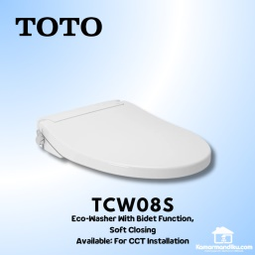 | 2025
130 | Meteran 30 m | Krisbow |  |  |  | 2025/2026
131 | Gergaji Besi |  |  |  |  | 2025/2026
132 | Keramik 30x30 cm ivory bone 18C291BW1 L C45 2 | impresso |  |  | 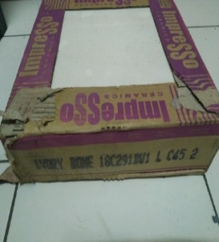 | 2025/2026
133 | Granit 60x60 Sepia Beige | Ikad |  |  | 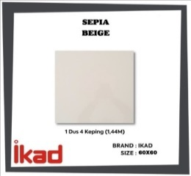 | 2025/2026
134 | Elbow 90° 4" | rucika |  |  |  | 2025/2026
135 | Elbow 90° 2,5" | rucika |  |  |  | 2025/2026
136 | Elbow 45° 2,5" | rucika |  |  |  | 2025/2026
137 | Elbow 45° 2" | rucika |  |  |  | 2025
138 | Sok drat 3/4" | rucika |  |  |  | 2025
139 | Sok drat 1" | rucika |  |  |  | 2025
140 | Sok drat 2" | rucika |  |  |  | 2025
141 | Sok drat 2,5" | rucika |  |  |  | 2025
142 | Sok drat 2" | rucika |  |  |  | 2025
143 | Sok drat 2,5" | rucika |  |  |  | 2025
144 | Lem Pipa | Isarplas |  |  |  | 2025/2026
145 | Serat Fiber uk. 25 x 95 cm | No Drop |  |  |  | 2025
146 | Kunci Ring Pas 8-24 mm | Tekiro |  |  |  | 2025
147 | Kunci inggris | ATS 375mm 300mm |  |  |  | 2025
148 | Pelumas 412 ml | WD40 |  |  |  | 2025
149 | Rotary Switch 3 Posisi | SCHNEIDER XA2ED33 |  |  |  | 2025
150 | Pelampung Float Switch | Fort 3 /5 Meter |  |  | 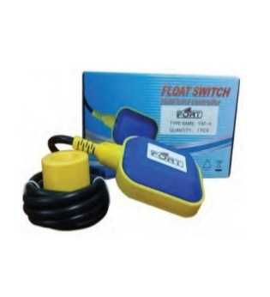 | 2025
151 | 8 Port HDMI Splitter | Bafo |  |  | 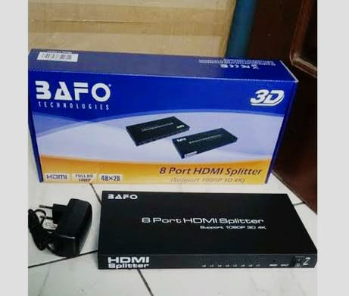 | 2026
152 | 4 Port HDMI Splitter | Bafo |  |  |  | 2026
153 | Mata Bor Besi | Bosch |  |  |  | 2026
154 | Mata Bor Beton SDS Plus | Bosch |  |  | 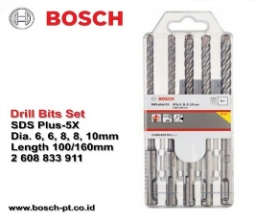 | 2026
155 | Sekrup Gypsum Hitam 2.5 cm |  |  |  |  | 2026
156 | Sekrup Gypsum Hitam 5 cm |  |  |  |  | 2026
157 | Sekrup Gypsum Hitam 7.5 cm |  |  |  |  | 2026
158 | Socket Wrench Pas Sok | Tekiro |  |  |  | 2026
159 | Kabel HDMI to HDMI 20 m | Bafo |  |  |  | 2026
160 | Kabel HDMI to HDMI 10 m | Bafo |  |  |  | 2026
161 | Kunci L | Tekiro |  |  |  | 2026
162 | Floor Duct | 90 x 25 |  |  |  | 2026
163 | Pipa PVC Conduit | 1/2" |  |  |  | 2026
164 | Kabel telpon | supreme isi 4 |  |  |  | 2026
165 | Roset telpon | 1 lubang Rosette RJ 11 |  |  |  | 2026
166 | Konektor RJ 11 |  |  |  | 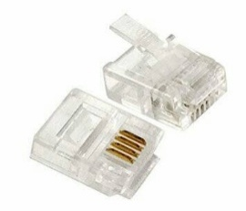 | 2026
167 | Sarung Tangan Tegangan Tinggi | 12 KV |  |  |  | 2026
168 | Tang ampere multimeter digital | Fluke 317 |  |  |  | 2026
169 | Tangga Lipat Alumunium | Krisbow 2 m |  |  |  | 2026
170 | Relay M2N 220-240 VAC | Omron |  |  |  | 2026
171 | Emergency Ballast Lampu 36 watt | Powercraft |  |  |  | 2026
172 | V-Belt FCU - SPZ 1060 LW | Bando |  |  | 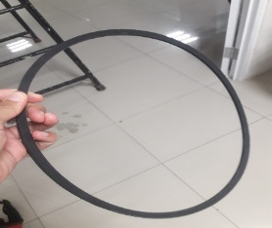 | 2026
173 | V-Belt AHU - SPB 2060 LW | Bando |  |  |  | 2026
174 | V-Belt Cooling Tower 1400 | Kingsun |  |  | 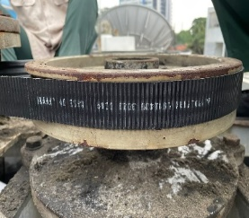 | 2024/2026
175 | V-Belt Pompa STB B58 | Bando |  |  | 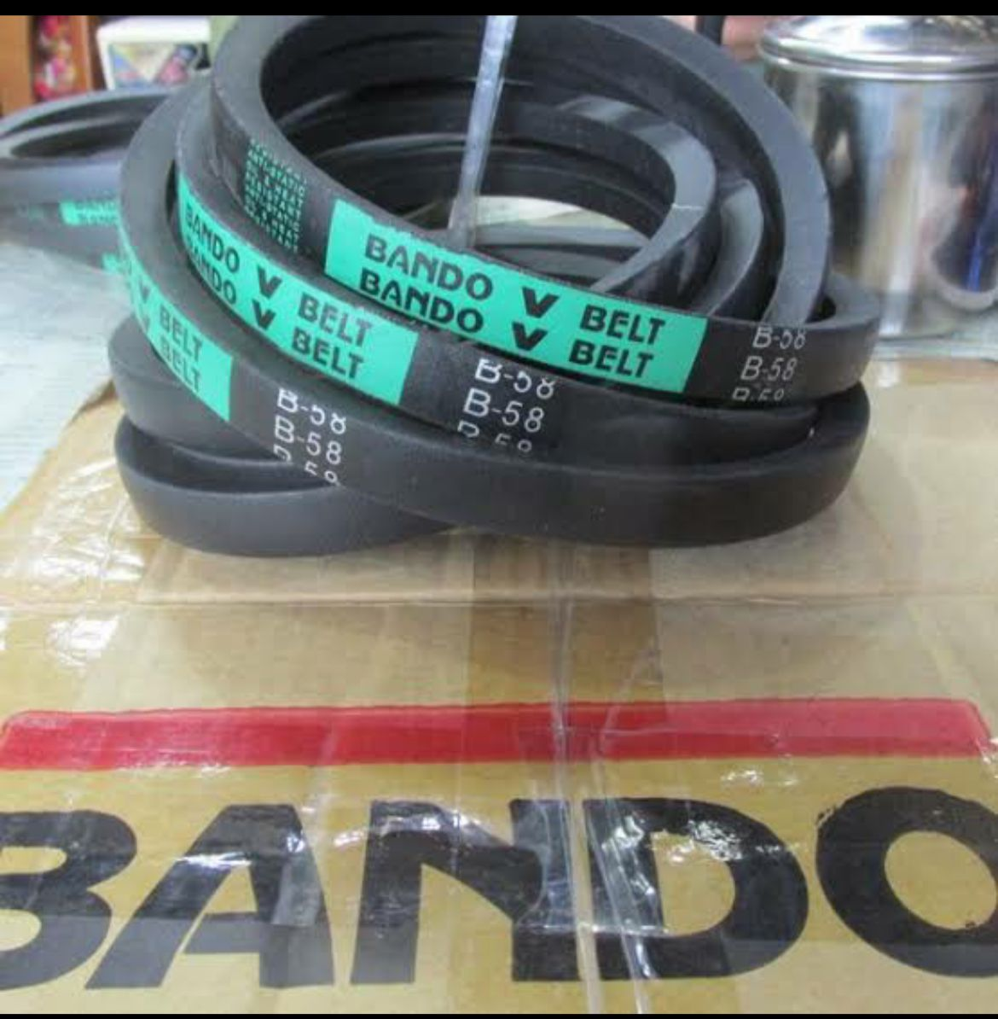 | 2026
176 | Kabel Listrik | Supreme NYYHY 4x1.5 |  |  |  | 2026
177 | Outbow Gypsum |  |  |  | 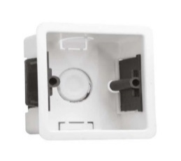 | 2026
178 | Kap Lampu Downlight 4 inch Fitting E27 | VDL635 Visalux |  |  | 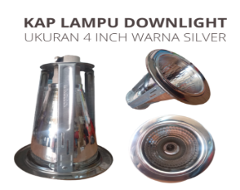 | 2026
179 | Kunci Pintu Kaca Oval |  |  |  |  | 2026
180 | Float Switch 5 meter | Fort |  |  |  | 2026
181 | Electroda Water Level | Fort |  |  | 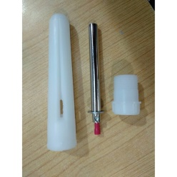 | 2026
182 | Kabel Sound Jack 3,5 mm to Canon XLR Male 5 meter |  |  |  | 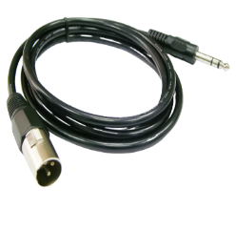 | 2026
183 | Kabel Sound Jack 3,5 mm to Canon XLR Female 5 meter |  |  |  |  | 2026
184 | Selang Terpal Pompa Alkon 2" 50 meter | Sunny House |  |  | 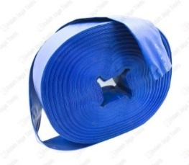 | 2026
185 | Lampu Emergency LED Downlight Plafon Putih 5 Watt | Golden Lamp |  |  | 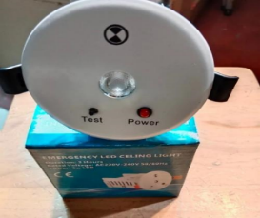 | 2026
186 | Hole Saw Kit |  |  |  |  | 2026
187 | Lampu LED Downlight 14 Watt Cool White | Philips |  |  | 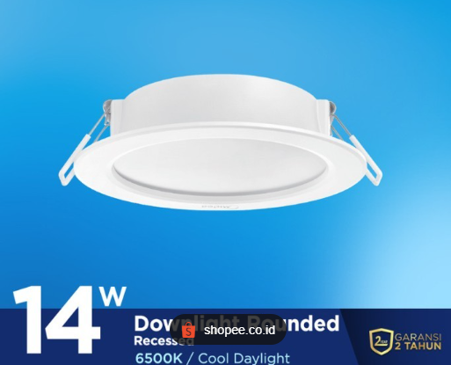 | 2026
188 | Mata Gerinda Keramik Marmer Slim 4" | Bosch |  |  |  | 2026
189 | Paku Rivet | 4mmx11mm |  |  |  | 2026
190 | Spiral Pipa Mampet |  |  |  |  | 2026

